Defect Report
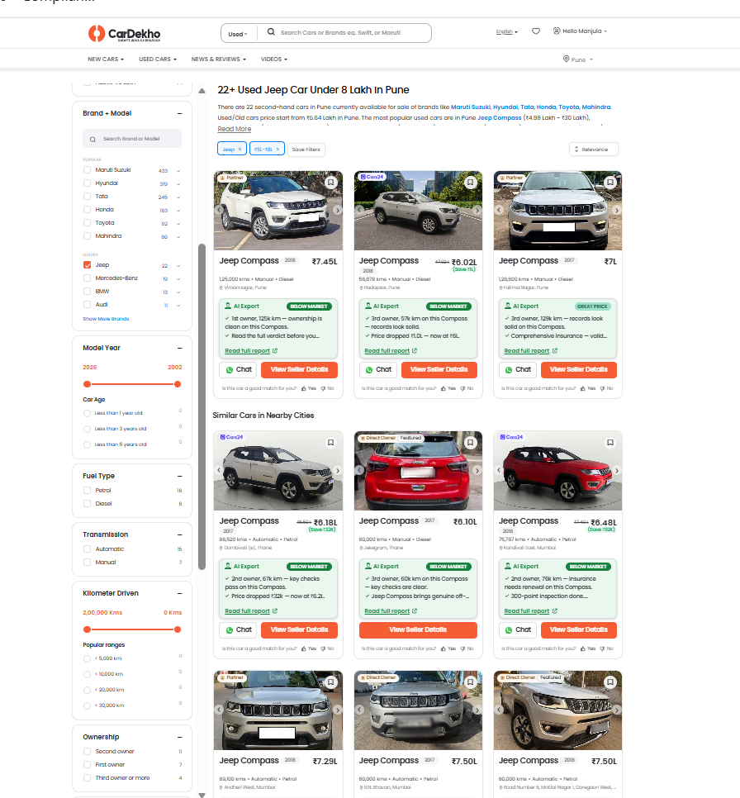
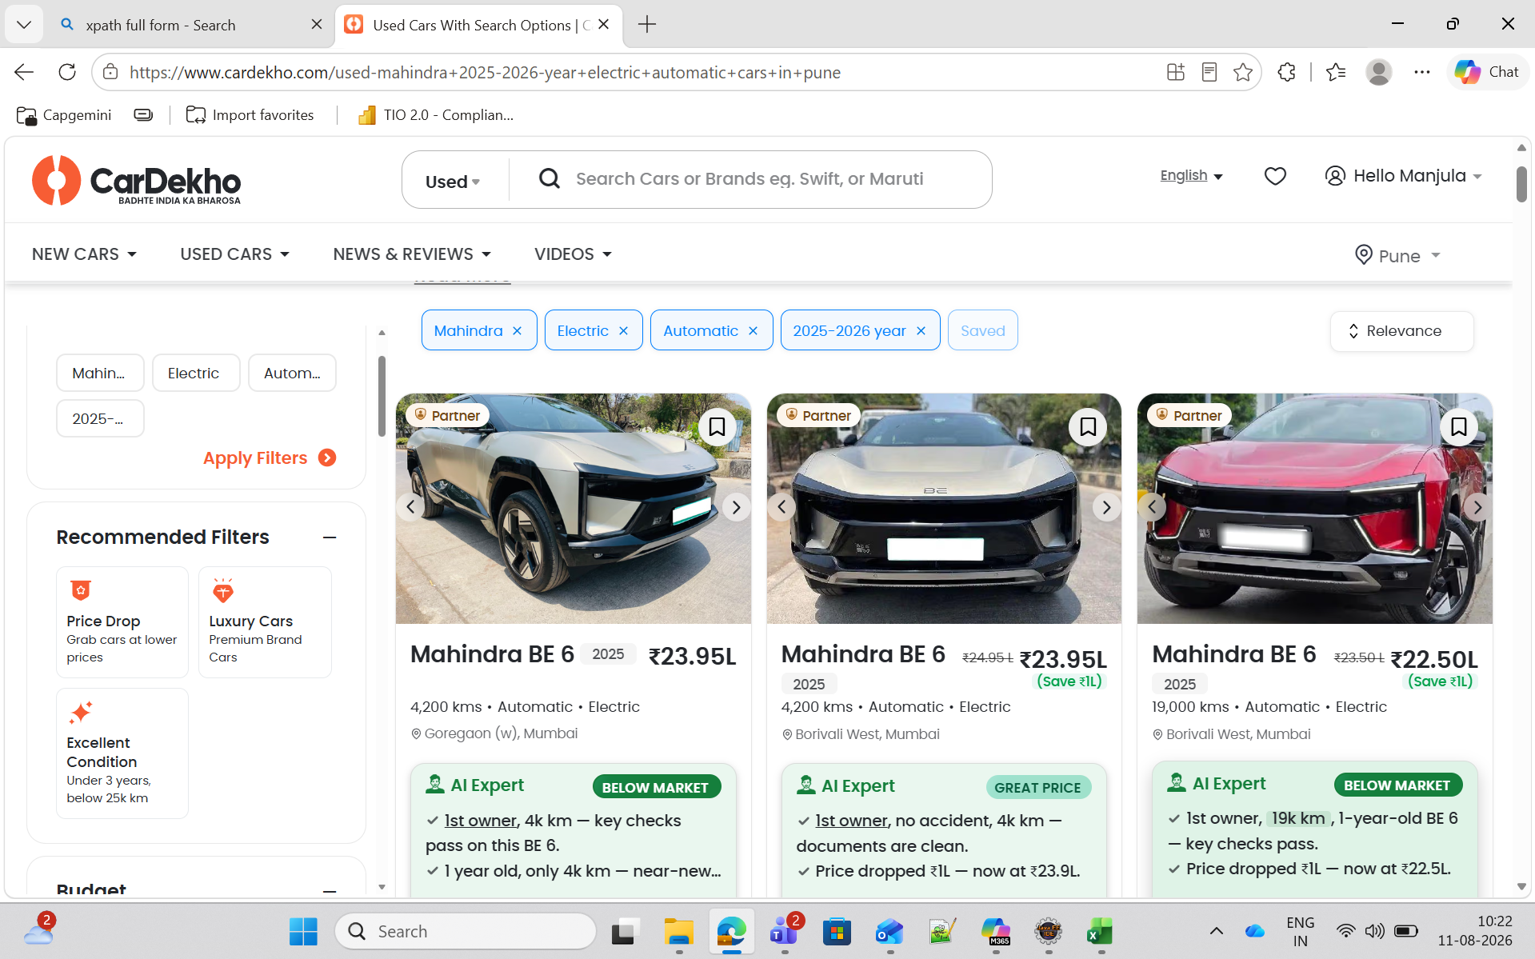
Defect Id | Module Name | Defect Summary | Defect Priority | Assigned To | Status
CD_UC_001 | Used Car Valuation | Kilometers field accepts value 0 KM and generates a valuation result instead of displaying a validation message that kilometer value must be greater than 0. | High | Development Team | Open
CD_UC_002 | Used Cars Search | Search box accepts special characters (@@@@) and displays all used car listings for the selected city instead of displaying a validation message or "No Results Found" message. | Medium | Development Team | Open
CD_UC_003 | Used Cars Search | Search functionality returns unrelated used car listings when an invalid car search combination (BMW Maruti Alto) is entered instead of displaying an appropriate error or no-result message. | High | Development Team | Open
CD_UC_004 | Used Cars Search | Search with excessively long text input (AltoK10AltoK10AltoK10AltoK10AltoK10) returns unrelated brand and model listings instead of displaying a "No Results Found" message. | Medium | Development Team | Open
CD_UC_005 | Used Cars Filter | Filtered result count is inaccurate for city-specific searches. Header displays "26+ Used Jeep Cars Under 8 Lakh in Pune", while only 2 vehicles belong to Pune and the remaining vehicles are from other cities. | High | Development Team | Open

